Sheet1
 | Cbonds Add-in

Launch the add-in

After you install the add-in, you can launch it by choosing the add-in button on the Home tab

On the Home tab
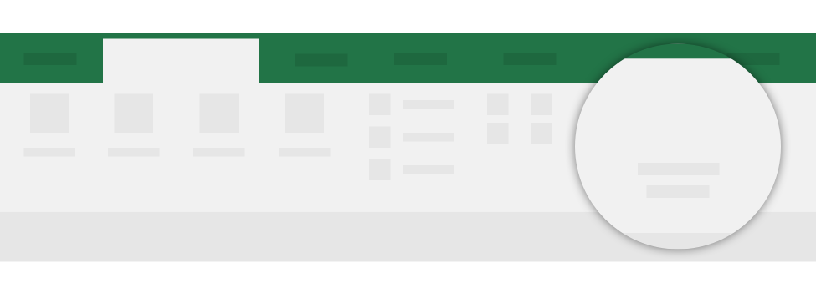
Home

Cbonds Group

Need more help?
Return to your internet browser or copy this link into your browser:
https://store.office.com/destroute?osid=45f6602a-043d-4bc9-b8c5-d61de10b42f4&ai=WA200002161&rs=en-001&ta=HE

